Roadmap Status
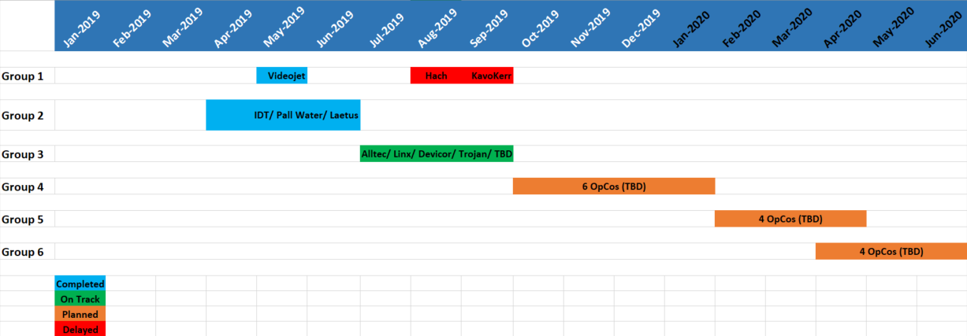
Implementation Status

